Sheet1
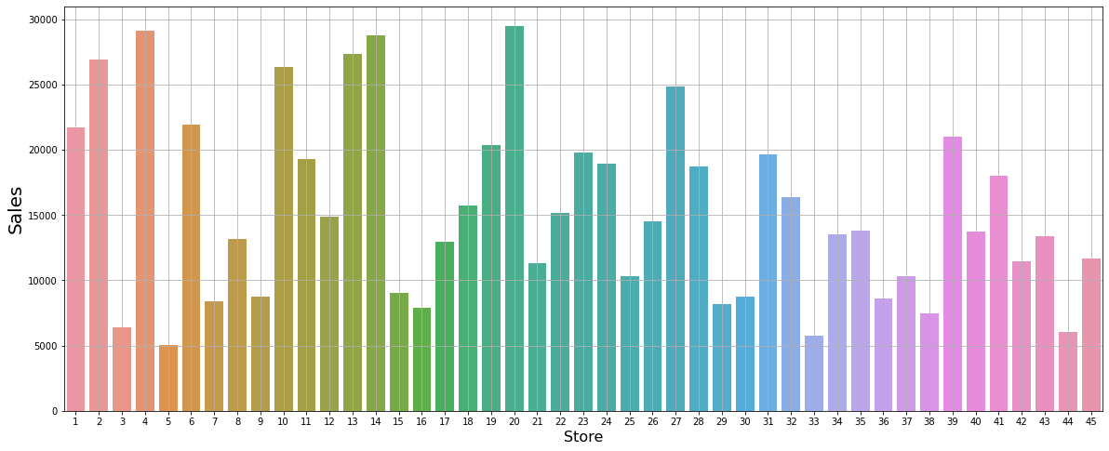
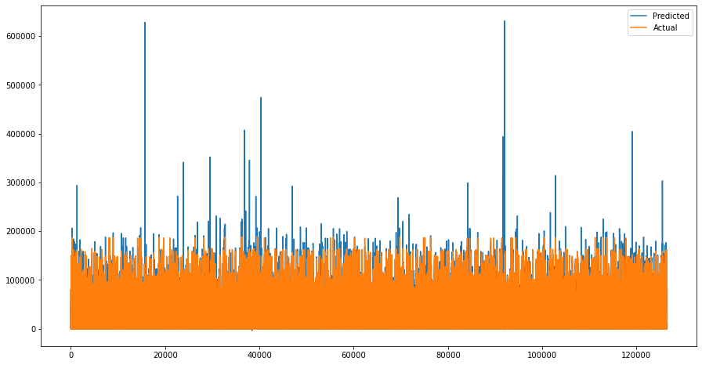
Weekly Department wise Sales(48-stores)

 |  |  |  |  |  | Features Data
 | Train Data

 |  | # | Column | Non-Null Count | Dtype | # Column | Non-Null Count Dtype
 |  | --- | ------ | -------------- | ----- | --- ------ | -------------- -----
 |  | 0 | Store | 421570 non-null | int64 | 0 Store | 8190 non-null int64
 |  | 1 | Dept | 421570 non-null | int64 | 1 Temperature | 8190 non-null float64
 |  | 2 | Weekly_Sales | 421570 non-null | float64 | 2 Fuel_Price | 8190 non-null float64
 |  | 3 | IsHoliday | 421570 non-null | bool | 3 MarkDown1 | 4032 non-null float64
 |  |  |  |  |  | 4 MarkDown2 | 2921 non-null float64
Test Data |  |  |  |  |  | 5 MarkDown3 | 3613 non-null float64
 | # | Column | Non-Null Count | Dtype |  | 6 MarkDown4 | 3464 non-null float64
 | --- | ------ | -------------- | ----- |  | 7 MarkDown5 | 4050 non-null float64
 | 0 | Store | 115064 non-null | int64 |  | 8 CPI | 7605 non-null float64
 | 1 | Dept | 115064 non-null | int64 |  | 9 Unemployment | 7605 non-null float64
 | 2 | IsHoliday | 115064 non-null | bool |  | 10 IsHoliday | 8190 non-null bool
 |  |  |  |  |  | dtypes: bool(1), | float64(9), int64(1)

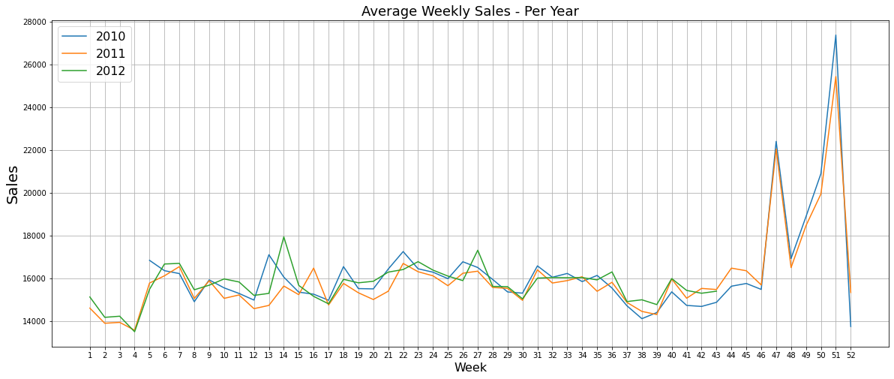

 |  |  | At the end of year there is Increase in sales due to Christmas

